Ball Order Form
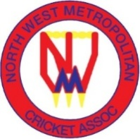 North West Metropolitan Cricket Association North West Metropolitan Cricket Umpires Association Vanessa Brooker - 0477 555 992 Email - admin2@nwmca.com.au |  | UMPIRES ORDER FORM 2026-27

Umpire Name
Contact Number:
Payment required before or when collecting

DESCRIPTION | Size - S, M, L, XL, 2XL, 3XL | Qty | UNIT PRICE | TOTAL
NWMCA Umpire White Polo Shirt |  |  | $60 | $0
NWMCA Umpire Cap | One Size only |  | $25 | $0
NWMCA Broadbrim Hat | Try on at collection |  | $25 | $0
 | Size - S, M, L, XL, 2XL, 3XL
NWMCA Weatherproof Spray Jacket (new style) |  |  | $90 | $0
 | Size - XS, XL, 2XL, 3XL
NWMCA Weatherproof Spray Jacket (Old style No Sponsors) |  |  | $35 | $0
Umpires Counter (Counts balls/overs) |  |  | $8 | $0
TOTAL |  |  |  | $0
Payment options:
Direct Debit
Account Name - North West Metropolitan Cricket Association
BSB 633 000 Account : 143 911 246
Please use Umpire - name as reference on direct debit
Cash on pick-up - please bring exact amount if paying cash
Collection Dates / Times
By arrangement with Vanessa Brooker - see top of form
NWMCA HQ - 9 Hillcrest Road, Oak Park

